Roof Drainage
Overall Roof Volume Distribution:

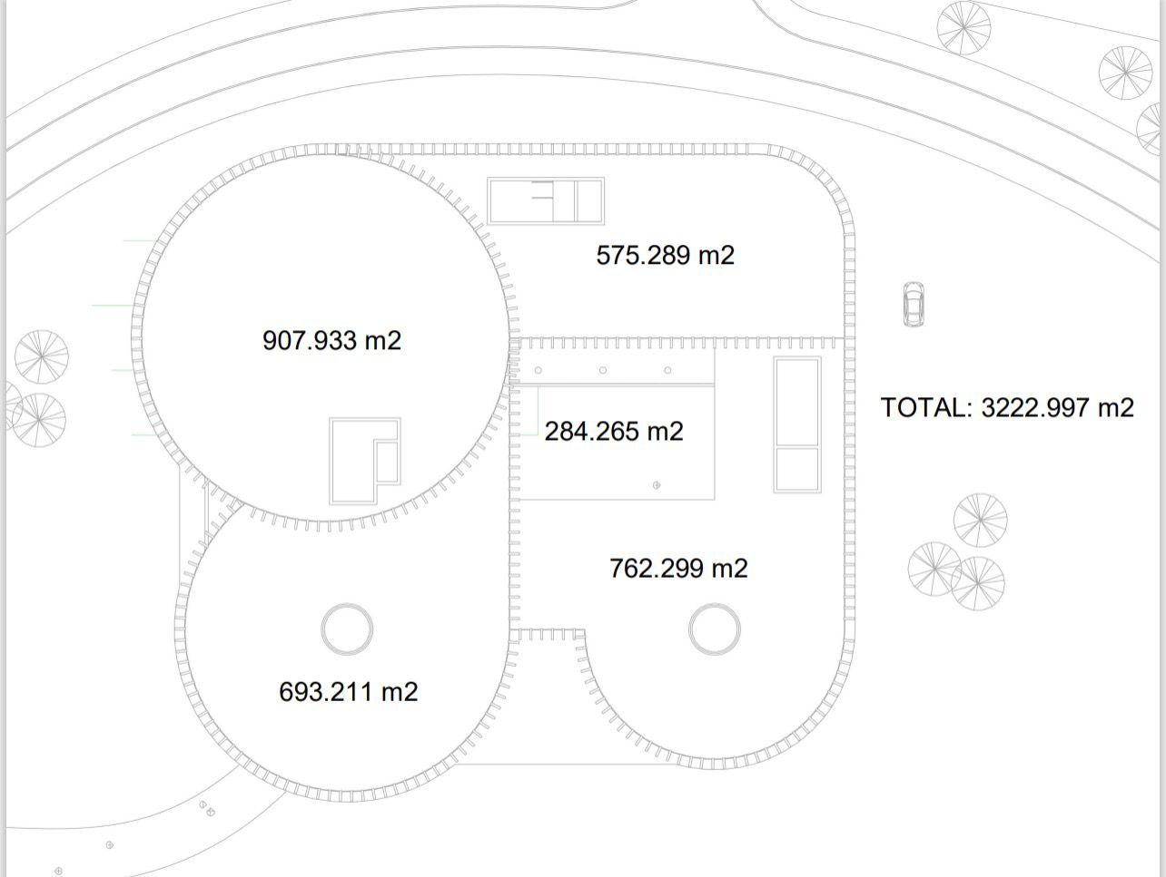
 |  |  |  |  |  |  | Brief:
 |  |  |  |  |  |  | Section | Area/ m^2 | Total m^3/hr |  | Area of Tier 1 without the Blue Roof |  |  | 63.198 | m2
 |  |  |  |  |  |  | 1 | 907.933 | 68.094975 |  | Volume of Tier 1 without the Blue Roof |  |  | 5.74280226 | m2
 |  |  |  |  |  |  | 1 wo/ roof | 63.198 | 4.73985
 |  |  |  |  |  |  | 2 | 693.211 | 51.990825 |  | Total Rainwater Runoff | Qtot | m^3/hr
1
3
 |  |  |  |  |  |  | 3 | 575.289 | 43.146675 |  | Rainfall Intensity | I | mm/hr
 |  |  |  |  |  |  | 4 | 1026.564 | 76.9923 |  | Effective Roof Area | A | m^2
 |  |  |  |  |  |  | 5 | 762.299 | 57.172425 |  | Runoff Coefficient | C | (usually 1.0 for roofs)
 |  |  |  |  |  |  |  |  | 234.042075 | Sum
 |  |  |  |  |  |  |  |  | 304.2546975 | 30% Uplift | Qtot = I*A*C
4
2
 |  |  |  |  |  |  |  |  |  |  | Number of drains | N
 |  |  |  |  |  |  | Section | Area/ m^2 | Total m^3/hr |  | Total Rainwater Runoff | Qtot
 |  |  |  |  |  |  | 1 | 907.933 | 82.50387171 |  | Capacity of a single drain | Qdrain
 |  |  |  |  |  |  | 1 wo/ roof | 63.198 | 5.74280226
5
 |  |  |  |  |  |  | 2 | 693.211 | 62.99208357 |  | N=Qtot/Qdrain
 |  |  |  |  |  |  | 3 | 575.289 | 52.27651143
 |  |  |  |  |  |  | 4+5 | 264.265 | 24.01376055 |  | 264.265
 |  |  |  |  |  |  |  |  |  |  | 24.01376055
 |  |  |  |  |  |  |  |  | 145.02515781 | Sum w/ 30% | 145.02515781
 | Rainfall mm/hr
 | Brief |  | Calculated (w/30%) |  |  |  | Number of Outlets for Siphonic Systems
 | 75 |  | 90.87 | mm/hour |  |  | Section | Qtot/ m^3/hr | Qsd/ m^3/hr | Qgd/m^3/hr | Nsd | Ngd
 |  |  |  | (Value from Markov Model) |  |  | 1 wo/ roof | 5.74280226 | 42.411500823 | 0
 |  |  |  |  |  |  | 2 | 62.99208357 | 42.411500823 | 0
 | Area of Blue Roof= |  |  |  | 844.735 | m^2 | 3 | 52.27651143 | 42.411500823 | 0
 | (On Tier 1) |  |  |  |  |  | 4+5 | 24.01376055 | 42.411500823 | 0
 |  |  |  |  |  |  | 0 | 0 | 42.411500823 | 0
 | Volume of Water on the Blue Roof |  |  |  | 76.76106945 | m^3
 | In a 1 hour storm

 | Vsd/ m/s | dsd/m | Asd/m^2 | Qsd/ m^3/s | Qsd/ m^3/hr |  | Total Roof Area |  | 3222.997
 | 6 | 0.05 | 0.0019634954085 | 0.011780972451 | 42.411500823 |  |  |  | 292.87373739

 | Vgd/ m/s | dgd/m | Agd/m^2 | Qgd/ m^3/s | Qgd/ m^3/hr

 | Standards Links:
 | Design criteria for siphonic roof drainage systems

 | BR_PDF_AD_H_2015.pdf

Tier 1- Blue Roof
Tier 1- Blue-Green Roof Volume Calculations
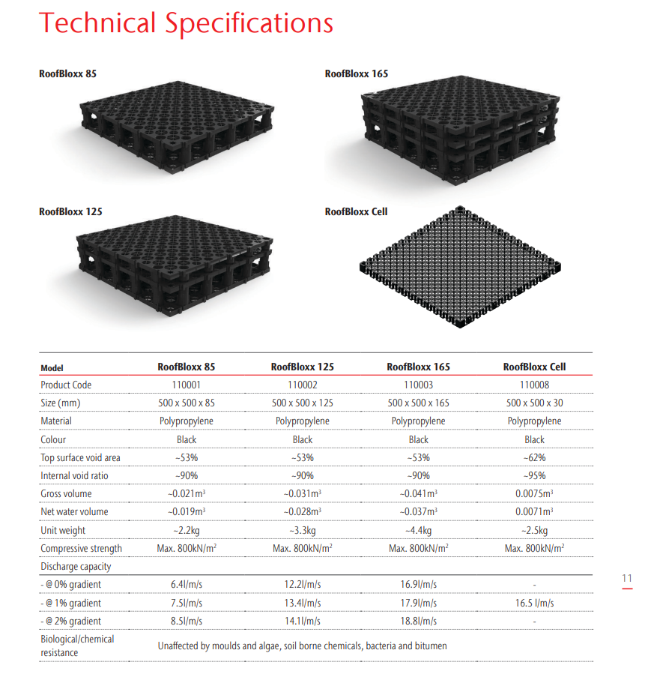
 |  |  |  |  |  |  |  | Found at: file:///H:/Downloads/ACO%20Blue%20Roof%20Brochure%20December%202022%20with%20patented%20system.pdf
 |  |  |  |  |  |  |  |  | ACO RoofBloxx

 | Water coming to blue-green roof in design storm
 |  | Blue-green Roof |  |  | Design Storm: | 0.091 | m/h
 |  | Area: | 844.735 | m2 | 1 hour design storm | 0.091 | m
 |  | Volume | 76.870885 | m3

 | Max volume of blue-green roof
 |  | RoofBloxx Cell
 |  | Volume | 0 | m3
 |  | Net Water Volume |  | 0.0071 | m3
 |  | Area of Block | 0.25 | m2
 |  | Number of Blocks |  | 3378.94
 |  | Total Blue Roof Volume |  | 23.990474 | m3

 |  | Found at: file:///H:/Downloads/ACO%20Blue%20Roof%20Brochure%20December%202022%20with%20patented%20system.pdf
 |  |  | ACO RoofBloxx

Tier 2- Siphonic
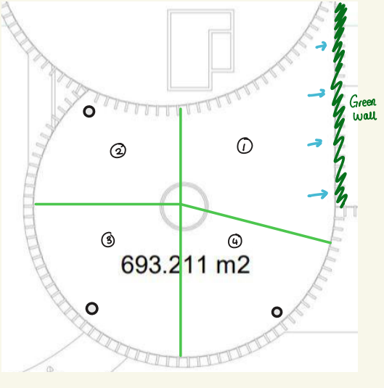
Tier 2- Siphonic Drainage Pipe Diameters:

 | Area/m^2 | Flow mm/hr | Flow m^3/hr
 | 693.211 | 90.87 | 62.99208357

 | Tributary Area
 | Outlet | TA (m2) | % of Total Area | Outflow (m3/s)
 | 1 | 277.2844 | 0.2 | 0.0069991203944 |  |  | Area going to Green Walls
 | 2 | 138.6422 | 0.2 | 0.0034995601972 |  |  | Area Outlet 1 |  | 277.2844 | m2
 | 3 | 138.6422 | 0.2 | 0.0034995601972 |  |  | Outflow going to Green Wall
 | 4 | 138.6422 | 0.2 | 0.0034995601972 |  |  |  | 0.0069991203944 | m3/s

 |  | The Manning Equation: |  |  | V = 1/n * Rh2/3 * S1/2
 | Therefore
 |  | Required Pipe Diameter: |  |  | D = ((Q * n)/0.312 * S1/2)3/8
 |  |  |  |  | (for a pipe running full)
 |  |  |  | where, | n = Manning's Roughness Coeffiecient
 |  |  |  |  | S = Pipe Gradient (Slope)

 |  | Friction of PVC/Plastic pipe (n) |  |  | 0.009-0.011

 |  | For our Pipes:
 |  |  | Assume | n = | 0.01
 |  |  |  | S = | 0.01

 |  |  | Therefore | Pipe Diameter = |  | 0.013922510172 | m
 |  |  |  |  |  | 13.922510172 | mm

Tier 3- GW + Traditional
Green Walls & Traditional Drainage System:

 |  |  |  |  |  | Max rainfall event = | 90.87 | mm (in an hour)
 |  |  |  |  |  | Total (tier 3) roof area = | 575.289 | m2

 |  |  |  |  |  | Towards green wall:
 |  |  |  |  |  |  |  |  | 33.0835m

Direction of Camber

 |  |  |  |  |  |  |  |  |  |  |  | 8.1m

 |  |  |  |  |  |  |  |  | 30.9512m

 |  |  |  |  |  | Approximate area of roof directed towards green walls = |  |  |  | 259.340535 | m2
 |  |  |  |  |  | Volume of rainfall in max storm flowing to green walls = |  |  |  | 23.5663 | m3

 | The Manning Equation: |  |  | V = 1/n * Rh2/3 * S1/2
Therefore
 | Required Pipe Diameter: |  |  | D = ((Q * n)/0.312 * S1/2)3/8 | Therefore | Approximate area of roof directed away from green walls (towards drains) = |  |  |  |  |  | 315.948465 | m2
 |  |  |  | (for a pipe running full) |  | Volume of rainfall in max storm flowing away from green walls |  |  |  |  | = | 28.710237 | m3
 |  |  | where, | n = Manning's Roughness Coeffiecient |  | Discharge to each drain (assuming 4 conventional drains on tier 3) |  |  |  |  | = | 7.177559 | m3/hour
 |  |  |  | S = Pipe Gradient (Slope) |  |  |  |  |  |  | = | 0.001994 | m3/second

 | Friction of PVC/Plastic pipe (n) |  |  | 0.009-0.011 | Therefore | Pipe Diameter = | 0.011273788534 | m
 |  |  |  |  |  |  | 11.273788534 | mm
 | For our Pipes:
 |  | Assume | n = | 0.01
 |  |  | S = | 0.01

Tier 4 + 5- Siphonic
Tier 3 -Siphonic Pipe Diameters Calculations:

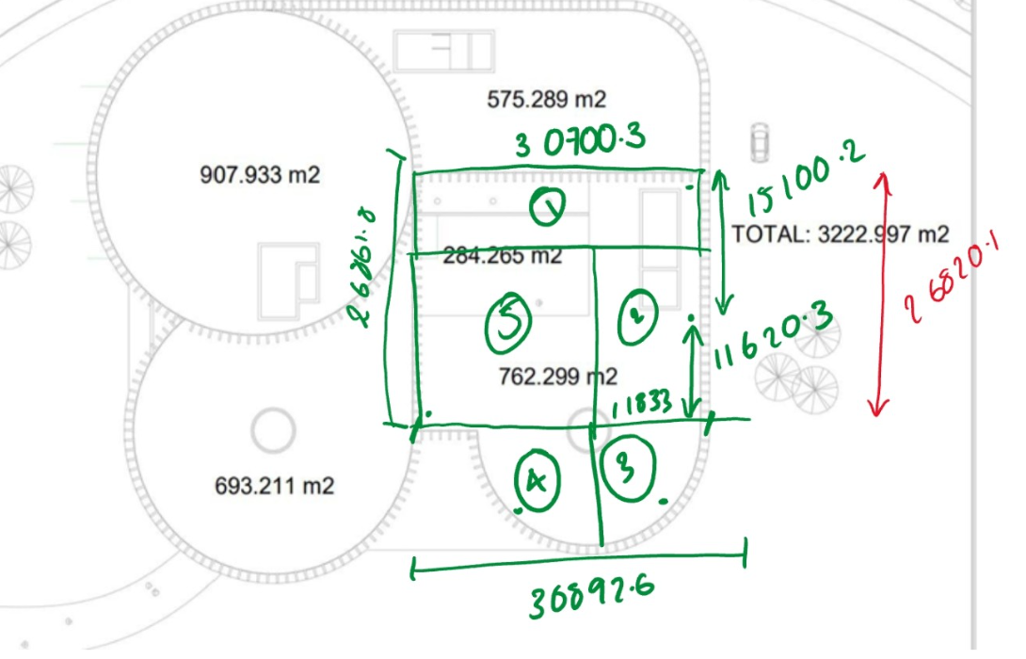
Pipe Diameters
 |  |  |  |  | Qtot/ m^3/hr |  | Qsd/ m^3/hr
Area |  | in m2 |  |  | 95.10127068 |  | 42.411500823
Section 4 | 284.265 | m2
Section 5 | 762.299 | m2
Total Area | 1046.564 | m2
 |  |  |  |  |  |  |  |  | Retrieved From:
Total m^3/hr |  | 95.10127068 |  |  |  |  |  |  |  | https://hydrosiphonic.com/wp-content/uploads/2024/12/2.-BS8490_2007.pdf

Tributary Area
Outlet | TA (m2) | % of Total Area | Outflow (m3) | m3/s
1 | 231.79033503 | 22.147745865 | 21.062787744 | 0.0058507743734
2 | 228.02191 | 21.787669937 | 20.720350962 | 0.0057556530449
3 | 107.82408398 | 10.302674656 | 9.7979745117 | 0.0027216595866
4 | 107.82408398 | 10.302674656 | 9.7979745117 | 0.0027216595866
5 | 371.103587 | 35.459234887 | 33.722182951 | 0.0093672730419
Total | 1046.564 | 100 | 95.10127068
830.91583203
215.64816797 | 3+4
107.82408398
 |  |  |  | Outlets Collecting Green Walls Volume
 |  |  | (Worst Case Scenario- Outlets required to capture entire green wall dedicated volume)

 |  | Volume going to Green Wall from Tier 2 |  |  |  |  | Volume going to Green Wall from Tier 3
 |  | 0.007 | m3 |  |  |  | 0.0065461873376 | m3/s
 | Outlet 9 |  |  |  |  | Outlet 5
 | Total Outflow | 0.007 | m3/s |  |  | Total outflow | 0.0065461873376 | m3/s
 | Diameter | 0.018055261892 | m |  |  | Diameter | 0.017607094225 | m
 |  | 18.055261892 | mm |  |  |  | 17.607094225 | mm

Pipe Diameters

 |  | The Manning Equation: |  |  | V = 1/n * Rh2/3 * S1/2
 | Therefore
 |  | Required Pipe Diameter: |  |  | D = ((Q * n)/0.312 * S1/2)3/8
 |  |  |  |  | (for a pipe running full)
 |  |  |  | where, | n = Manning's Roughness Coeffiecient
 |  |  |  |  | S = Pipe Gradient (Slope)

 |  | Friction of PVC/Plastic pipe (n) |  |  | 0.009-0.011

 |  | For our Pipes:
 |  |  | Assume | n = | 0.01
 |  |  |  | S = | 0.01

Outlet | Pipe Diameter (m) | Pipe Diameter (mm)
1 | 0.016880955836 | 16.880955836
2 | 0.016777509935 | 16.777509935
3 | 0.012669360792 | 12.669360792
4 | 0.012669360792 | 12.669360792
5 | 0.020139420486 | 20.139420486

Pond
Pond
 | Required Depth of the Pond (m) |  |  | 1.2 | m | (Seen in the SudS Manual Chapter 23.2 Pg 489)
 | Recommended slope of 1:3-1:4 |  |  |  | (Seen in the Suds Manual)

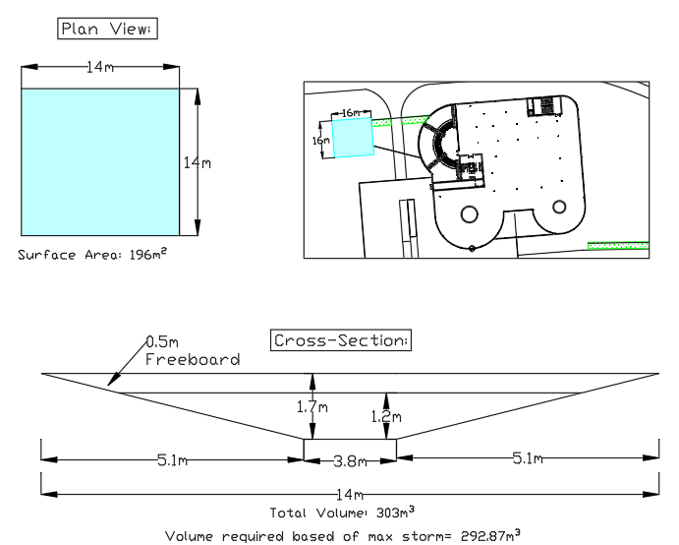
 | System we are having:
 | All water is stored in the pond then what is required by environmental to pump into the greywater tank

 | Total Roof Area |  | 3965.296
 | Total Volume Pond Needs to Hold |  | 292.87373739 | m3
 | Max Depth of the pond: |  |  |  | 1.2 | m

 | Cross-Sectional Area
 | a= 1/2 x (x + y) * 1.7m

 | x | 14 | m
 | y | 3.8 | m
 | Length of slope | 5.1 | m

 | A | 15.13 | m2

 | Volume | 302.6 | m3
 | As Pond is modelled to be a square

Plan View Area |  | 196 | m2

Swale Conyenance
Swale Dimensions, Volume & Outflow Calculations:

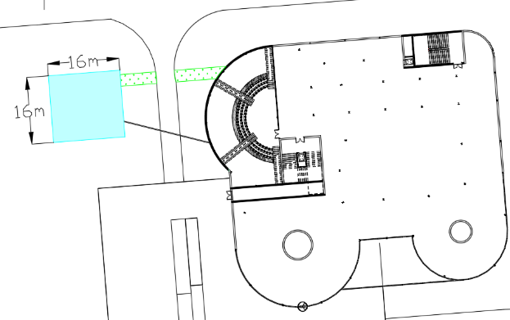
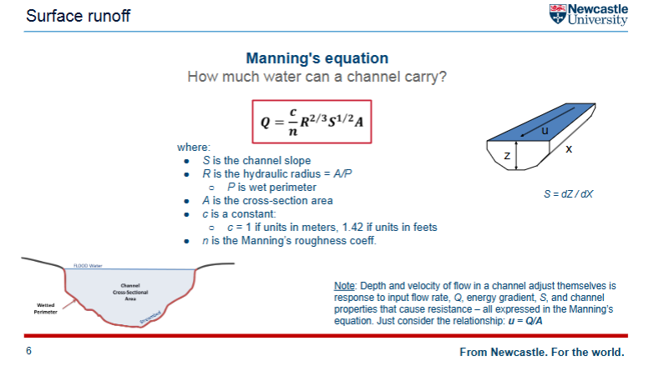

 |  | Swale Dimensions:

 |  | Volume
 |  |  | Length | 22.257793 | m
 |  |  | Area | 0.72 | m2
 |  |  | Volume | 16.02561096 | m3
Channel:

 | Manning's Equation
 |  | Flow | Channel
 |  | c | 1 |  | z | 0.4 | Area | 0.72
 |  | n | 0.05 |  | x | 22.257793 | m
 |  | P | 3.129822128 |  | width | 3m
 |  | A | 0.72 |  | R | 0.23004502191
 |  | S | 0.3333333
 |  |  |  |  |  | volume | 16.02561096 | m3
 |  | Q | 0.90105871486 | m3/s

Perforated Pipe:

 | Standard Q | 0.002 | m3/s

 | Manning's Equation
 |  | Flow | Diameter | 0.045 | m
 |  |  | R | 0.0225
 |  | c | 1
 |  | n | 0.012
 |  | P | 0.14137166941
 |  | A | 0.0015904312809 |  | volume | 0.035399490231
 |  | S | 0.3333333

 |  | Q | 0.0017605054795 | m3/s
 |  |  | less than 0.002 so in standard

Infiltration Channels
Infiltration Channels:

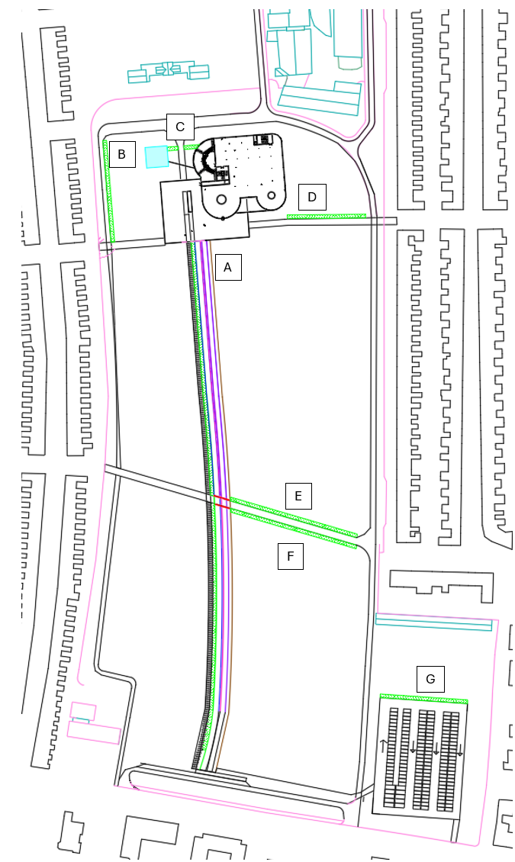

 | A | (3 On Table In Appendicies)

 | c | 1 |  | z | 1m | Area | 0.63
 | n | 0.05 |  | x | 173.8 | m
 | P | 4.71239 |  | width | 3m
 | A | 0.63 |  | R | 0.13369012327
 | S | 0.0115
 |  |  |  |  | volume | 109.494 | m3
 | Q | 0.018942528047 | m3/s

 | B | (1 On Table In Appendicies)

 | length | 69.5543927
 | Volume | 43.819267401

 | C- Swale

 | D | (2 On Table In Appendicies) |  |  |  | Total Volume of storage

 | length | 53.036419 |  |  |  |  | 293.97450783 | m3
 | Volume | 33.41294397
 |  |  |  |  |  | Total length
 | E | (4 On Table In Appendicies) |  |  |  |  | 536.1805956

 | length | 90.608439
 | Volume | 57.08331657

 | F | (5 On Table In Appendicies)

 | length | 89.2765219
 | Volume | 56.244208797

 | G | (6 On Table In Appendicies)

 | length | 59.904823
 | Volume | 37.74003849

ACO
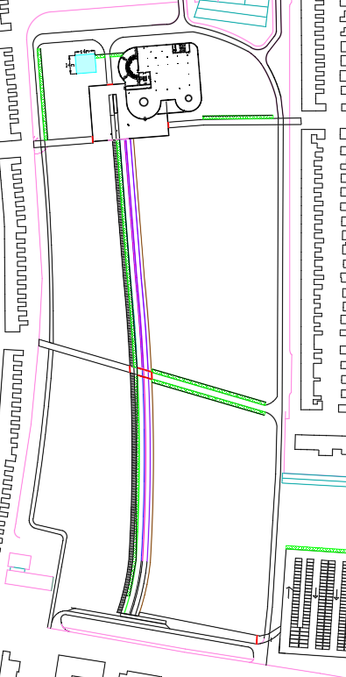
ACO Drains:

 |  |  |  | Marked in Red
 | ACO LENGTH (mm) | LENGTH (m) | Measured & Designed in CAD
1 | 3903.9215 | 3.9039215
2 | 4065.0074 | 4.0650074
3 | 5000 | 5
4 | 4278.0279 | 4.2780279
5 | 4786.0198 | 4.7860198
6 | 11298.0819 | 11.2980819
7 | 11340.9067 | 11.3409067
8 | 5150.0643 | 5.1500643
TOTAL |  | 49.8220295

